Constants and Properties
Constants, Properties, Ratings, Pi Tags
Gas Properties to Cooler
Component | mole % | Cp at ~200 deg F | xi*Cp,i | Cp,mix [BTU/lb/°F] | Molar mass (lb/lb-mol) | xi*MM,i | MM, mix (lb/lb-mol)
Nitrogen | UNKNOWN - REQUIRES GAS SAMPLE LAB RESULTS | 0.24 | #VALUE! | #VALUE! | 28 | #VALUE! | #VALUE!
$$C_{p,mix}=\sum_{i}{x_{i}C_{p,i}}$$
Methane |  | 0.552 | 0 |  | 16.05 | 0
Carbon Dioxde |  | 0.219 | 0 |  | 44 | 0
Ethane |  | 0.584 | 0 |  | 30 | 0
$${MM}_{mix}=\sum_{i}{x_{i}{MM}_{i}}$$
Propane |  | 0.533 | 0 |  | 44.1 | 0
i-Butane |  | 0.535 | 0 |  | 58.124 | 0
n-Butane |  | 0.518 | 0 |  | 58.124 | 0
i-Pentane |  | 0.567 | 0 |  | 72.151 | 0
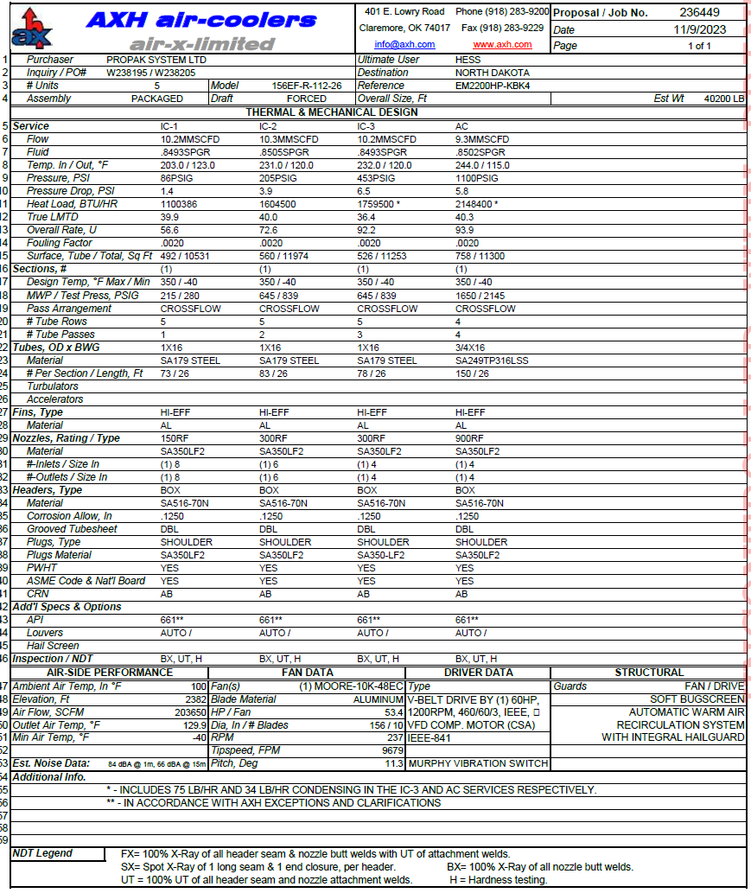
n-Pentane |  | 0.522 | 0 |  | 72.151 | 0
n-Hexane |  | 0.505 | 0 |  | 86.18 | 0
n-Heptane |  | 0.497 | 0 |  | 100 | 0
n-Octane |  | 0.492 | 0 |  | 114.232 | 0
n-Nonane |  | 0.487 | 0 |  | 128.26 | 0
n-Decane |  | 0.483 | 0 |  | 142 | 0

Rated Duty (1000 BTU/hr)
Cooler type | IC-1 | IC-2 | IC-3 | AC
156EF-R-112-26 | 1199.386 | 1604.5 | 1759.5 | 2148.4

Relevant Pi Tags
Cooler # | IC-1 |  | IC-2 |  | IC-3 |  | AC/IC-4 |  | FIT
 | T_in | T_out | T_in | T_out | T_in | T_out | T_in | T_out | -
1 | 822108 | 822112 | 822109 | 822113 | 822110 | 822114 | 822111 | 822115 | 822120
2 | | | | | | | | | | | | | | | | | |
3 | V | V | V | V | V | V | V | V | V
4 | 822408 | 822412 | 822409 | 822413 | 822410 | 822414 | 822411 | 822415 | 822420

